STI Policy
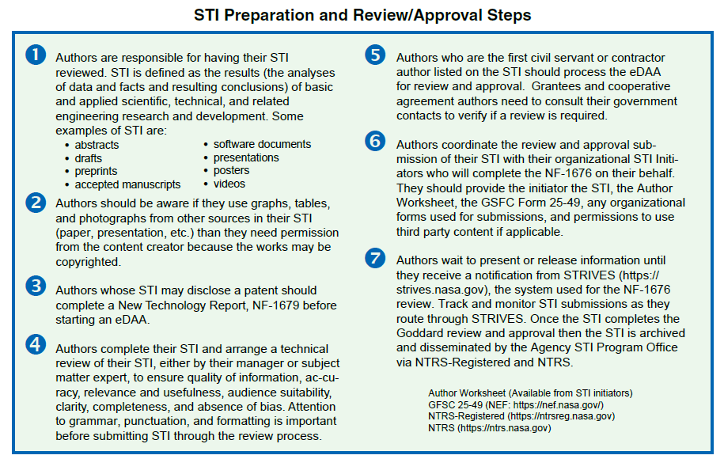
STI POLICY The NASA policy documents governing STI are the Management of NASA Scientific and Technical Information (STI), NPD 2200.1C, and the Requirements for Documentation, Approval and Dissemination of Scientific and Technical Information, NPR 2200.2D.
Scientific and Technical Information (STI) is defined as a paper, abstract, journal article, presentation, etc. that contains and delivers the results (the analyses of data, facts, and resulting conclusions) of basic and applied scientific, technical, and related engineering research and development. Examples of STI are: • Abstracts and extended abstracts • Conference papers and proceedings • Presentation slides • Journal articles • Books and book chapters • Thesis and dissertations • Scientific or technical content for a Web site • NASA STI Series Reports –Technical Memorandum (TM), Technical Publication (TP), Contractor Report (CR), Conference Publication (CP), Special Publication (SP), Technical Translation (TT) • Software Guides
Authors need to have their STI approved for release PRIOR to its release/publication to comply with Agency policy Authors coordinate their STI submission with their organizational STI initiator who completes the NF-1676 in STRIVES. The Scientific, Technical and Research Information discoVEry System (STRIVES) is the Agency Scientific and Technical Information Program system for STI submission and review. Authors can track their submissions in STRIVES by access the site at: https://strives.nasa.gov/.

Authors may have multiple submissions for their STI: - First submission is a NF-1676 submission for the draft or preprint - Second submission is a NF-1676 submission for the final or accepted manuscript

Journal Articles
JOURNAL ARTICLES Descriptions of the different journal articles versions are provided below along with guidance on the submission of accepted manuscripts to the NASA publication repository, PubSpace.

Journal Article Versions
Preprints • A draft of the article submitted to journals for acceptance and peer review. • Preprints do not count as the final journal article.
Accepted manuscripts • The version of the article incorporating all the changes from the peer review process and sent to the journal for publishing. • NASA can archive and post this version because the journal has not copyrighted it yet. • NASA Civil servants have to provide a Project Code when submitting an accepted manuscript. This number is generated using the eDAA. • Accepted manuscripts are transferred to NASA's PubSpace and held for 1 year after the publication date of journal article before posting to site. • Please submit the accepted manuscript as your journal article final.
Reprints • The published article and they are copyrighted by the publisher. NASA cannot archive or post these articles because they are copyrighted by the journal unless the author has obtained permission from the publisher to allow the article to be deposited to an institutional repository. Please include publisher permissions with reprint submissions. • Please do not submit reprints unless it is the only copy of the article available.
PubSpace (https://www.ncbi.nlm.nih.gov/pmc/funder/nasa/)
PubSpace is an archive of full-text journal articles produced by NASA-funded research and available online without a fee. Pubspace is available from a collaboration between the National Institutes of Health (NIH) and NASA to allow wider access to the results of federally-funded research.

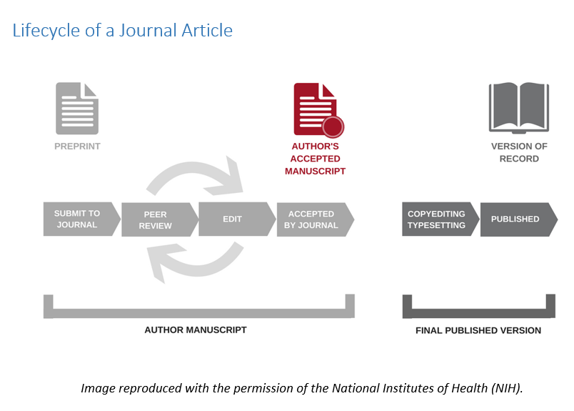

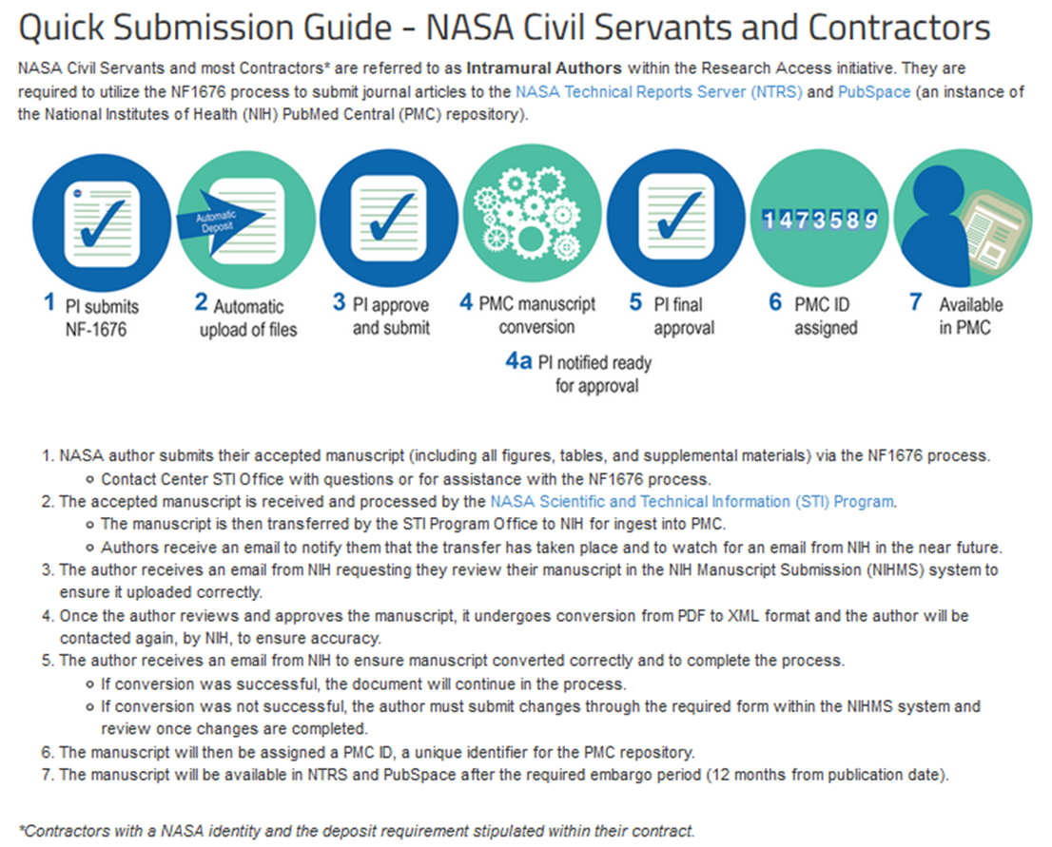

Source: https://www.nasa.gov/open/researchaccess/quick-submission-guide-nasa-civil-servants-and-contractors

Questions about Journal Article Submissions
Contact the NASA STI Program Office's Research Access Online Help for guidance.
NASA STI Program's Research Access Help: https://www.sti.nasa.gov/sti-contact-form/?RequestType=Research%20Access#.Xr6cxUF7mUk
NASA Research Access site: https://www.nasa.gov/open/researchaccess/public-access-results
NASA’s PubSpace site: https://www.ncbi.nlm.nih.gov/pmc/funder/nasa/

